Hiearchy View
Class: RETAINING WALL
Retaining walls are structures designed to restrain soil to a slope that it would not naturally keep to (typically a steep, near-vertical or vertical slope). | 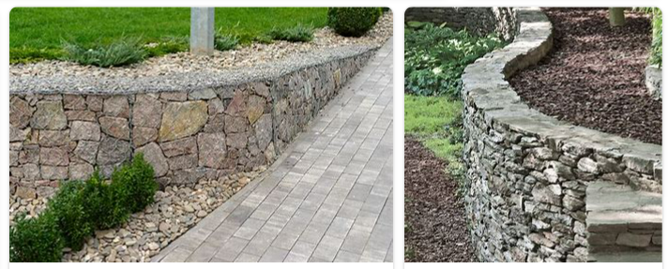
REMOVE | N

PROBLEM_DESC | CAUSE_DESC | REMEDY_DESC
ALARM/SENSOR
BROKEN/DAMAGED
LEAKING
LIGHTING
NOISE
OTHER PROBLEM
OVERHEATING
PESTS
POWER-ELEC
PRESSURE
SMELL
STOPPED/SLOWED/POOR OPS
TEMP-CTRL
VIBRATION
Grand Total

